Guidance
Risk Assessment Criteria

1. Inherent Risk Assessment

Risk Impact
Score | Parameter
5 | Catastrophic: Disaster or catastrophic effect on achievement of KU’s objectives, disintegration of KU.
4 | Major: Major or critical uncertainties that may be endured but have prolonged negative consequences for KU’s objectives.
3 | Moderate: Significant uncertainties that may be managed but require additional resources or management effort.
2 | Minor: Uncertainties that may be escalated for management attention.

Risk Likelihood
Score | Parameter
5 | Almost Certain: The event will occur in most circumstances (within 12 months); Probability ≥ 0.9.
4 | Likely: The event will probably occur in most circumstances (within 18 months); Probability between 0.5 - 0.89.
3 | Possible: The event may occur in some circumstances (within 2 years); Probability 0.25 – 0.49.
2 | Unlikely: The event may occur in some circumstances (within 3 to 5 years); Probability 0.1 – 0.24.
1 | Rare: The event may occur in some exceptional circumstances (not before 5 years); Probability < 0.1.

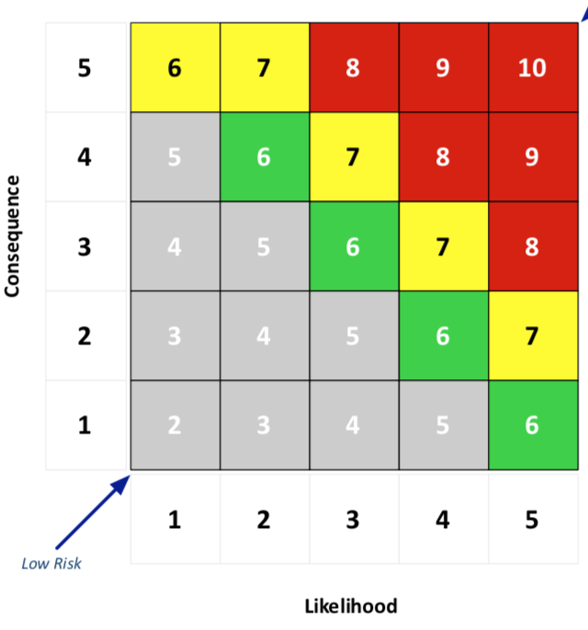
Impact

 |  | Extreme Risk |  | Moderate Risk
 |  | Significant Risk |  | Low Risk

 | 2. Control Adequacy Assessment

 | Rating |  |  | Criteria
 | Adequate | Excellent | 1 or 2 | •Systems and processes exist to manage the risks;
 |  |  |  | •The systems are well documented;
 |  |  |  | •Regular monitoring/management review; and
 |  |  |  | •The system is effective in mitigating the risk.
 |  | Good | 3 or 4 | •Systems and processes exist to manage the risk; and
 |  |  |  | •Minor improvement opportunities have been identified but not yet actioned.
 | Inadequate | Fair | 5 or 6 | •Some systems and processes exist to manage the risk; and
 |  |  |  | •Recent changes in operations require confirmation that accountabilities are in place and understood and that the risk is being actively managed.
 |  | Poor | 7 or 8 | •Systems and processes for managing the risk have been subject to major change or are in the process of being implemented; and
 |  |  |  | •Control effectiveness cannot be confirmed.
 |  | Unsatisfactory | 9 or 10 | •No systems and processes exist to manage the risk.

 | 3. Residual Risk Rating

 | Active Management | Risks where current treatment options require active review and management.
 | Continuous Review | Control is adequate, continued monitoring of controls over time (e.g. at least quarterly) is required to confirm this.
 | Periodic Monitoring | Control is not strong but risk impact is not high. Options to improve control or monitor risk impact to ensure it does not increase over time.
 | No Major Concern | Risks where systems and processes managing the risks are adequate and subject to minimal monitoring.

